GRA Stipend Rates
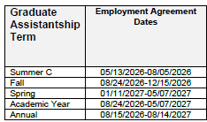
University of Central Florida
College of Stipends

Stipend GTA/GRA in MA/MS Programs
Department | Program | Academic Year | Summer | Annual | Optional Fees | AY Hourly
Anthropology | Anthropology MA | $16,000 | $3,750 | $19,750 |  | $21.98 |  | Academic Year
Biology* | Biology MS | $16,000 | $5,000 | $21,000 |  | $21.98 |  |  | Summer | Annual
Chemistry | Forensic Science MS | $16,000 | $5,000 | $21,000 |  | $21.98 | Begin Date | 2026-08-24 | 2027-05-12 | 2026-08-15
Communication | Communication MA | $16,000 | $3,750 | $19,750 |  | $21.98 | End Date | 2027-05-04 | 2027-08-04 | 2027-08-14
Physics*** | Physics MS - GTA | $22,372 | $5,990 | $28,362 |  | $30.73 | # of Pay periods | 18.20 | 6.10 | 26.00
 |  |  |  | $27,372 |  | n/a | Hours/PP | 40 | 40 | 40
Political Science | Political Science MA | $16,000 |  | $16,000 |  | $21.98 | Total hours | 728 | 244 | 1040
Psychology | Clinical MA & I/O MS | $16,000 | $4,000 | $20,000 |  | $21.98
Sociology | Applied Sociology | $16,000 | $3,750 | $19,750 |  | $21.98
SDMSS | Statistical Computing MS | $16,000 | $5,566 | $21,566 |  | $21.98

Stipend GTA/GRA in PhD Programs
Department | Program | Academic Year | Summer | Annual | Optional Fees | AY Hourly
Anthropology | Integrated Anthropological Sciences PhD | $22,000 | $4,500 | $26,500 |  | $30.22
Biology | Conservation Biology PhD | $25,000 | $7,000 | $32,000 |  | $34.34
Chemistry | Chemistry PhD | $25,000 | $5,000 | $30,000 |  | $34.34
Communication | Strategic Communication PhD | $22,000 | $4,500 | $26,500 |  | $30.22
Physics** | Physics PhD - GTA | $25,000 | $5,990 | $30,990 |  | $34.34
 | Physics PhD - GRA |  |  | $26,000 | $1,956 | n/a
 | Planetary Science PhD - GRA |  |  | $37,970 |  | n/a
Political Science | Security Studies PhD | $22,000 | $4,500 | $26,500 |  | $30.22
Psychology | Clinical PhD, Human Factors and Cognitive PhD & I/O PhD | $22,000 | $5,000 | $27,000 |  | $30.22
Sociology | Sociology PhD | $22,000 | $4,500 | $26,500 |  | $30.22
SDMSS | Big Data PhD | $25,000 | $5,000 | $30,000 |  | $34.34

Updated: 7/21/26

Travel Reference Guide
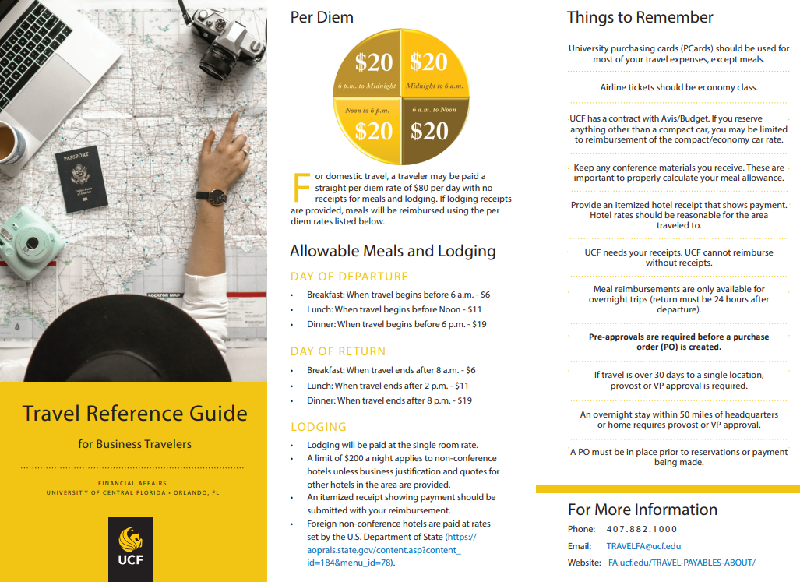
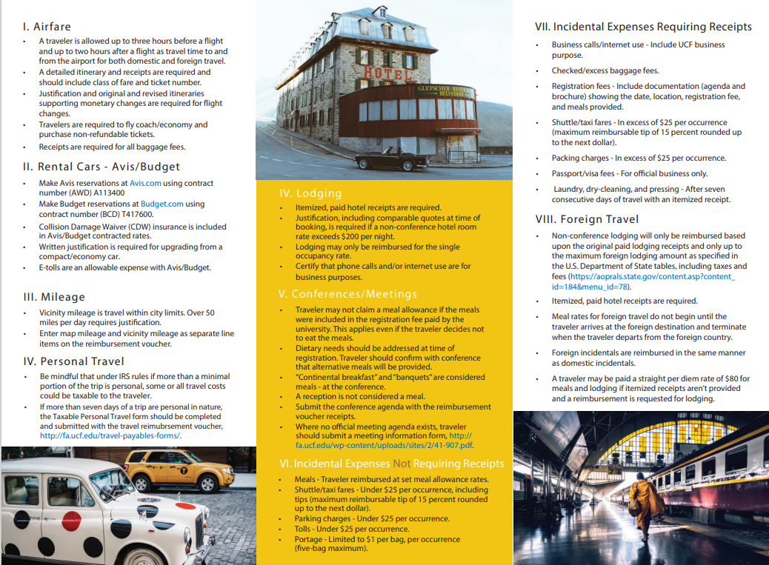
Travel_Reference_Guide_10312018.indd (ucf.edu)

